Gardai
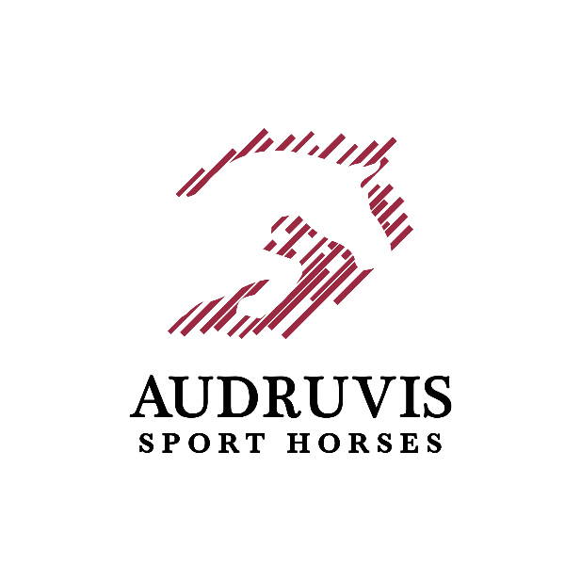

 |  | SUMMER ENDING AUDRUVIS CUP 2021
 |  | Equestrian centre „Audruvis“ Ziniūnų kaimas, Joniškio rajonas
 |  | 2021 AUGUST 13-14TH
 |  | BOX RESERVATION FORM
 |  | SEND TO audruvissporthorses@gmail.com
Deadline for box reservations is August 7th 6pm, changes can be made until August 8th 12am. In case no- show/withdrawal without informing OC until mentioned dates, stabling fee is applied (30 EUR per box)
Nr. | HORSE | SEX | RIDER NAME, SURNAME | RIDER OR OWNER PHONE NUMBER | ELECTRICITY FOR TRUCK OR LIVING (YES/NO, IF YES, PLEASE WRITE CAR PLATE NUMBERS) | COMMENTS (additional orders or requests)
1
2
3
4
5
6
7
8
9
10

